Weather
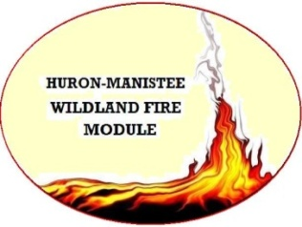
 | WEATHER OBSERVATIONS

DATE: |  | FIRE NAME: |  |  |  |  |  | OBSERVERS: |  | Huron-Manistee WFM/

TIME | LOCATION | ELEVATION | ASPECT (facing) | SLOPE (%) | DRY BULB | WET BULB | RH | DP | WIND SPEED (GUSTS) | WIND DIR. (from) | % CLOUD COVER | OBS SITE SHADING (Y/ N/ Partial) | FINE DEAD FUEL MOISTURE | PROB. OF IGNITION | COMMENTS (PRECIP, FIRE BEHAVIOR, SMOKE, ETC.)
PRESCRIPTION:

 |  |  |  | MAX TEMP | 0 |  | 0 | MIN RH
 |  |  |  | TIME |  |  |  | TIME
 |  |  |  | MIN TEMP | 0 |  | 0 | MAX RH
 |  |  |  | TIME |  |  |  | TIME

Fire Behavior
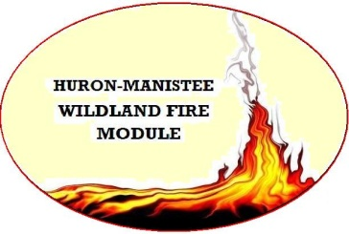
 | FIRE BEHAVIOR OBSERVATIONS

DATE: |  | FIRE NAME: |  |  |  |  | OBSERVERS: |  | Huron-Manistee WFM /

TIME | LOCATION | ELEVATION | ASPECT (facing) | SLOPE (%) | FIRE TYPE* (B/H/F) | FLAME LENGTH* | FLAME ZONE DEPTH* | ROS* | PRIMARY CARRIER* | FUEL MODEL | COMMENTS*
PRESCRIPTION:

*Fire Type: B (backing), H (heading), or F (flanking) |  |  |  |  |  |  |  |  |  |  | *Comments:
*Flame Length (FL): nearest inch (0-23"); 0.5 foot (2-4'); 1.0 foot (4-15'); 5.0 feet (>15') |  |  |  |  |  |  |  |  |  |  | ~% shading of fuels
*Flame Zone Depth (FZD): nearest inch (0-23"); 0.5 foot (2-4'): 1.0 foot (>4') |  |  |  |  |  |  |  |  |  |  | ~unusual fire behavior
*Rate of Spread (ROS): ft/min or chains/hr |  |  |  |  |  |  |  |  |  |  | ~photo reference #
*Primary Carrier: litter, duff, pine cones, 1hrs, 10 hrs, 100hrs, 1000hrs, grass/forbs, shrubs, trees, etc. |  |  |  |  |  |  |  |  |  |  | ~etc.

